Task
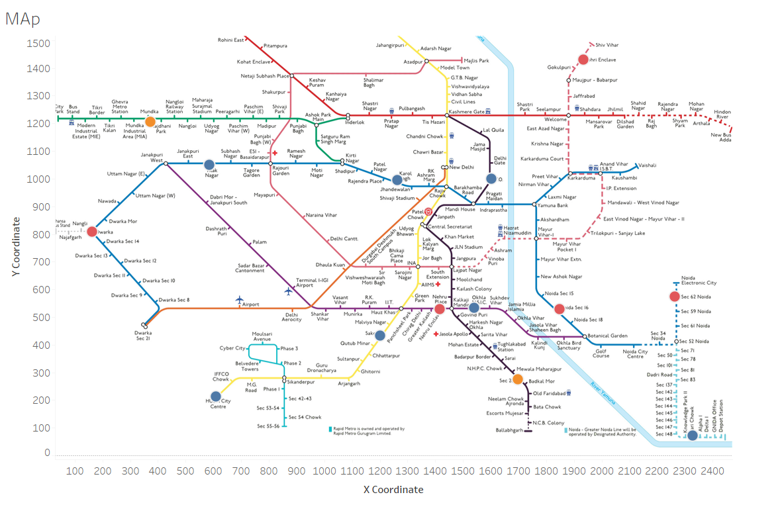
Elixir Corp is a fast-growing company that manufactures and distributes herbal health supplements. With offices in Delhi NCR, including Gurgaon, Noida, and Faridabad, they need a map showing the nearest metro stations to their offices. Your Task: Create a Map of Delhi Metro: Use the provided coordinates in the CSV file to plot the locations of Elixir Corp's offices and the nearest metro stations. Custom Background: Download the map image and set the x range to 2500 and the y range to 1630.

Expected Output: Your output should visually represent the locations clearly, showing both the offices and the nearest metro stations.

map
